Worksheet
 | HERNO

 |  |  |  |  |  |  |  |  |  |  | 4405
IMAGE | SKU | PRODUCT | GROUP | GENDER | COLOR | COMPOSITION | DESC_EN | MADE_IN | RETAIL PRICE | TOTAL RETAIL | TOT.QTY | TU | XS | S | M | L | XL | XXL | 35 | 36 | 37 | 38 | 39 | 40 | 40.5 | 41 | 41.5 | 42 | 43 | 43.5 | 44 | 44.5 | 45 | 45.5 | 46 | 48 | 50 | 52 | 54 | 56 | 58 | 60 | 62 | 64
 | CA000162U12536_2000 | COAT | Clothing | Male | SAND | 100% PL |  | RO | € 625.00 | € 27500.00 | 44 |  |  |  |  |  |  |  |  |  |  |  |  |  |  |  |  |  |  |  | 2 |  |  |  | 7 | 12 | 14 | 7 | 2 |  |  |  | 6
 | JG00020UR56011_1985 | HOODIE | Clothing | Male | CHANTILLY | 61% WV 37% PA 2% EA |  | IT | € 625.00 | € 625.00 | 1 |  |  |  |  |  |  |  |  |  |  |  |  |  |  |  |  |  |  |  |  |  |  |  |  |  |  | 1
 | JG00020UR56011_9200 | HOODIE | Clothing | Male | BLUE | 61% WV 37% PA 2% EA |  | IT | € 625.00 | € 3125.00 | 5 |  |  |  |  |  |  |  |  |  |  |  |  |  |  |  |  |  |  |  |  |  |  |  |  | 1 | 1 | 1 | 1 | 1
 | JP00011UR56010_7719 | HOODIE | Clothing | Male | MILITARY CHANTILLY | 80% WO 20% PA |  | TR | € 795.00 | € 4770.00 | 6 |  |  |  |  |  |  |  |  |  |  |  |  |  |  |  |  |  |  |  |  |  |  |  |  | 1 | 1 | 1 | 1 | 1 | 1
 | JP00011UR56010_1391 | HOODIE | Clothing | Male | ICE LIGHT BLUE | 80% WO 20% PA |  | IT | € 795.00 | € 7155.00 | 9 |  |  |  |  |  |  |  |  |  |  |  |  |  |  |  |  |  |  |  |  |  |  |  | 1 | 4 | 1 | 3
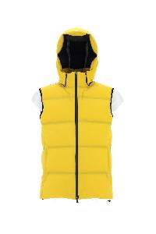 | PI00237UL12590S_3350 | DOWN JACKET | Clothing | Male | YELLOW GOLD | 89% PA 11% EA |  | RO | € 830.00 | € 5810.00 | 7 |  |  |  |  |  |  |  |  |  |  |  |  |  |  |  |  |  |  |  |  |  |  |  |  |  | 7
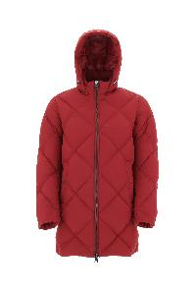 | PI000936U12458_6500 | DOWN JACKET | Clothing | Male | CHERRY | 100% PL |  | RO | € 684.00 | € 5472.00 | 8 |  |  |  |  |  |  |  |  |  |  |  |  |  |  |  |  |  |  |  |  |  |  |  |  |  | 8
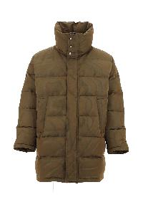 | PI000958U12467_3550 | DOWN JACKET | Clothing | Male | ACID | 71% PA 29% PL |  | IT | € 668.00 | € 6012.00 | 9 |  |  |  |  |  |  |  |  |  |  |  |  |  |  |  |  |  |  |  |  |  |  |  |  |  | 9
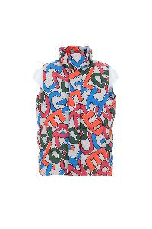 | PI000954U12474P_9999 | DOWN VEST | Clothing | Male | MULTICOLOR | 100% PL |  | IT | € 768.00 | € 4608.00 | 6 |  |  |  |  |  |  |  |  |  |  |  |  |  |  |  |  |  |  |  |  |  |  |  |  |  | 6
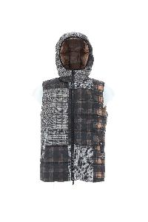 | PI000953U12476P_9325 | DOWN VEST | Clothing | Male | GREY BROWN | 100% PL |  | IT | € 612.00 | € 4896.00 | 8 |  |  |  |  |  |  |  |  |  |  |  |  |  |  |  |  |  |  |  |  |  |  |  |  |  | 8
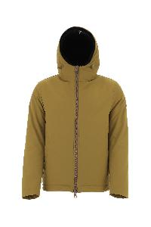 | GI000306U12343_3550 | JACKET | Clothing | Male | ACID | 100% PL |  | IT | € 572.00 | € 3432.00 | 6 |  |  |  |  |  |  |  |  |  |  |  |  |  |  |  |  |  |  |  |  |  |  |  |  |  | 6
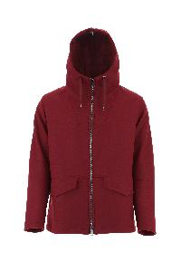 | GC000066U33344_6500 | JACKET | Clothing | Male | CHERRY | 75% WV 25% PA |  | IT | € 858.00 | € 6006.00 | 7 |  |  |  |  |  |  |  |  |  |  |  |  |  |  |  |  |  |  |  |  |  |  |  |  |  | 7
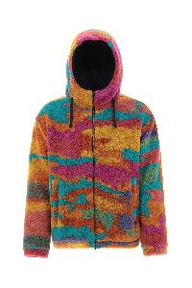 | GI000308U12480_9999 | JACKET | Clothing | Male | MULTICOLOR | 100% PL |  | IT | € 606.00 | € 4848.00 | 8 |  |  |  |  |  |  |  |  |  |  |  |  |  |  |  |  |  |  |  |  |  |  |  |  |  | 8
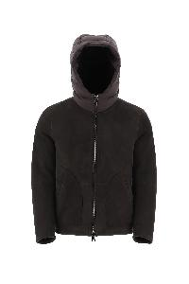 | PL000117U18122_8993 | MUTTON | Clothing | Male | DARK BROWN | 100% MONTONE (OVIS ARIES) |  | IT | € 2880.00 | € 14400.00 | 5 |  |  |  |  |  |  |  |  |  |  |  |  |  |  |  |  |  |  |  |  |  |  |  |  |  | 5
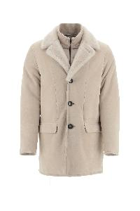 | PL000118U18122_1985 | MUTTON | Clothing | Male | CHANTILLY | 100% MONTONE (OVIS ARIES) |  | IT | € 3344.00 | € 16720.00 | 5 |  |  |  |  |  |  |  |  |  |  |  |  |  |  |  |  |  |  |  |  |  |  |  |  |  | 5
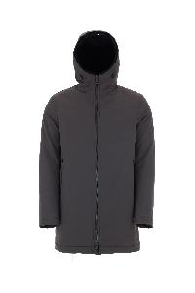 | PA0072U12343_8800 | PARKA | Clothing | Male | FONDANT | 100% PL |  | IT | € 668.00 | € 668.00 | 1 |  |  |  |  |  |  |  |  |  |  |  |  |  |  |  |  |  |  |  |  |  |  |  |  |  | 1
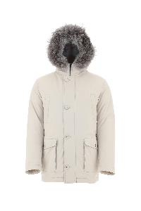 | PI000940U12343_1985 | PARKA | Clothing | Male | CHANTILLY | 100% PL |  | IT | € 1232.00 | € 1232.00 | 1 |  |  |  |  |  |  |  |  |  |  |  |  |  |  |  |  |  |  |  |  |  |  |  |  |  | 1
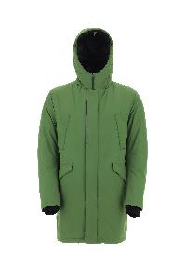 | PI100UL11121_7250 | PARKA | Clothing | Male | EMERALD | 100% PL |  | RO | € 930.00 | € 6510.00 | 7 |  |  |  |  |  |  |  |  |  |  |  |  |  |  |  |  |  |  |  |  |  |  |  |  |  | 7
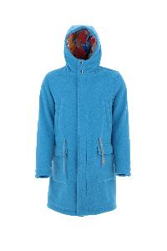 | PA000105U33342_9045 | PARKA | Clothing | Male | BLUE | 100% WO |  | IT | € 1020.00 | € 9180.00 | 9 |  |  |  |  |  |  |  |  |  |  |  |  |  |  |  |  |  |  |  |  |  |  |  |  |  | 9
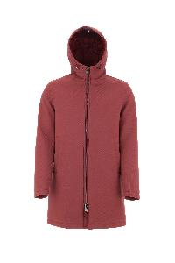 | PA000106U39500_6500 | PARKA | Clothing | Male | CHERRY | 100% VI |  | IT | € 830.00 | € 7470.00 | 9 |  |  |  |  |  |  |  |  |  |  |  |  |  |  |  |  |  |  |  |  |  |  |  |  |  | 9
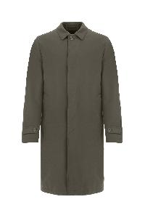 | IM000300U13158_7740 | RAIN COAT | Clothing | Male | MILITARY | 83% CO 17% PA |  | IT | € 824.00 | € 824.00 | 1 |  |  |  |  |  |  |  |  |  |  |  |  |  |  |  |  |  |  |  |  |  |  |  |  |  | 1
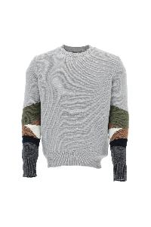 | MG00004UR70082_9404 | SWEATER | Clothing | Male | WHITE | 100% WO |  | IT | € 398.00 | € 398.00 | 1 |  |  |  |  |  |  |  |  |  |  |  |  |  |  |  |  |  |  |  |  |  |  |  |  |  |  |  | 1
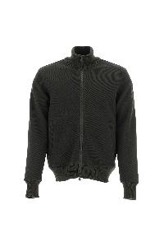 | JC000021U56005_7093 | SWEATER | Clothing | Male | GREEN | 33% WO 33% PC 28% VI 5% PA 1% EA |  | MD | € 644.00 | € 1288.00 | 2 |  |  |  |  |  |  |  |  |  |  |  |  |  |  |  |  |  |  |  |  |  |  |  |  |  | 2
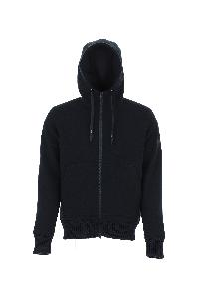 | JP000107U56005_9294 | SWEATER | Clothing | Male | BLUE GREY | 33% WO 33% PC 28% VI 5% PA 1% EA |  | MD | € 700.00 | € 2100.00 | 3 |  |  |  |  |  |  |  |  |  |  |  |  |  |  |  |  |  |  |  |  |  |  |  |  |  | 3
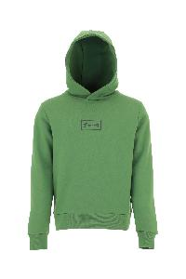 | JG00018UL50027_7250 | SWEATER | Clothing | Male | EMERALD | 80% CO 20% PL |  | TR | € 180.00 | € 1440.00 | 8 |  |  |  |  |  |  |  |  |  |  |  |  |  |  |  |  |  |  |  |  |  |  |  |  |  | 8
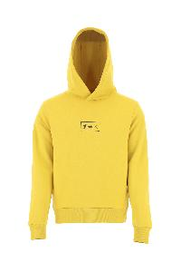 | JG00018UL50027_3350 | SWEATER | Clothing | Male | YELLOW GOLD | 80% CO 20% PL |  | TR | € 180.00 | € 1800.00 | 10 |  |  |  |  |  |  |  |  |  |  |  |  |  |  |  |  |  |  |  |  |  |  |  |  |  | 10
 | MC00024UR76021_9010 | CARDIGAN | Clothing | Male | SKY | 57% PA 42% WP 1% EA |  | IT | € 880.00 | € 7920.00 | 9 |  |  |  |  |  |  |  |  |  |  |  |  |  |  |  |  |  |  |  |  |  |  |  |  | 3 | 3 | 2 | 1
 | CA000179U33389R_8800 | COAT | Clothing | Male | FONDENT | 58% WO 16% PC 13% PA 9% PL 4% WP |  | IT | € 970.00 | € 970.00 | 1 |  |  |  |  |  |  |  |  |  |  |  |  |  |  |  |  |  |  |  |  |  |  |  |  |  | 1
 | CA000177U33344_2000 | DOWN JACKET | Clothing | Male | SAND | 75% WV 25% PA |  | IT | € 1035.00 | € 1035.00 | 1 |  |  |  |  |  |  |  |  |  |  |  |  |  |  |  |  |  |  |  |  |  |  |  |  |  |  |  | 1
 | CA000177U33344_2720 | DOWN JACKET | Clothing | Male | DOVE GREY | 75% WV 25% PA |  | IT | € 1035.00 | € 1035.00 | 1 |  |  |  |  |  |  |  |  |  |  |  |  |  |  |  |  |  |  |  |  |  |  |  |  |  |  |  |  | 1
 | PA000123U12536_2000 | DOWN JACKET | Clothing | Male | SAND | 100% PL |  | CN | € 625.00 | € 625.00 | 1 |  |  |  |  |  |  |  |  |  |  |  |  |  |  |  |  |  |  |  |  |  |  |  |  | 1
 | PI001079U12220_9202 | DOWN JACKET | Clothing | Male | BLUE | 100% PA |  | AM | € 635.00 | € 635.00 | 1 |  |  |  |  |  |  |  |  |  |  |  |  |  |  |  |  |  |  |  |  |  |  |  |  | 1
 | PI00268UL12393_9201 | DOWN JACKET | Clothing | Male | BLUE | 100% PL |  | RO | € 795.00 | € 795.00 | 1 |  |  |  |  |  |  |  |  |  |  |  |  |  |  |  |  |  |  |  |  |  |  |  |  | 1
 | PI00310UL11123_9489 | DOWN JACKET | Clothing | Male | BLACK | 100% PL |  | RO | € 815.00 | € 815.00 | 1 |  |  |  |  |  |  |  |  |  |  |  |  |  |  |  |  |  |  |  |  |  |  |  |  | 1
 | PI00316UL11123_9290 | DOWN JACKET | Clothing | Male | BLUE | 100% PL |  | RO | € 1035.00 | € 1035.00 | 1 |  |  |  |  |  |  |  |  |  |  |  |  |  |  |  |  |  |  |  |  |  |  |  |  |  |  |  | 1
 | PI00320UL12695_9300 | DOWN JACKET | Clothing | Male | BLACK | 100% PA |  | RO | € 825.00 | € 825.00 | 1 |  |  |  |  |  |  |  |  |  |  |  |  |  |  |  |  |  |  |  |  |  |  |  |  |  |  |  |  | 1
 | PI00329UL12695_9290 | DOWN JACKET | Clothing | Male | BLUE | 100% PA |  | RO | € 1015.00 | € 1015.00 | 1 |  |  |  |  |  |  |  |  |  |  |  |  |  |  |  |  |  |  |  |  |  |  |  |  |  |  |  | 1
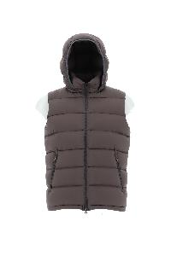 | PI0767U12403_7740 | DOWN JACKET | Clothing | Male | MILITARY | 100% PA |  | AM | € 615.00 | € 615.00 | 1 |  |  |  |  |  |  |  |  |  |  |  |  |  |  |  |  |  |  |  |  |  |  |  |  | 1
 | GA0098U38020_9290 | DOWN JACKET | Clothing | Male | BLUE | 100% WS |  | IT | € 1565.00 | € 3130.00 | 2 |  |  |  |  |  |  |  |  |  |  |  |  |  |  |  |  |  |  |  |  |  |  |  |  |  |  |  |  |  |  |  | 1 | 1
 | GI00039UR33381_7730 | DOWN JACKET | Clothing | Male | MILITARY | 75% WV 25% PA |  | RO | € 890.00 | € 1780.00 | 2 |  |  |  |  |  |  |  |  |  |  |  |  |  |  |  |  |  |  |  |  |  |  |  |  | 1 |  | 1
 | MP000123U70162_8600 | DOWN JACKET | Clothing | Male | MUD | 92% WV 7% PL 1% EA |  | RO | € 850.00 | € 1700.00 | 2 |  |  |  |  |  |  |  |  |  |  |  |  |  |  |  |  |  |  |  |  |  |  |  |  |  | 1 | 1
 | PI001086U19288_1000 | DOWN JACKET | Clothing | Male | WHITE | 100% PA |  | RO | € 870.00 | € 1740.00 | 2 |  |  |  |  |  |  |  |  |  |  |  |  |  |  |  |  |  |  |  |  |  |  |  |  |  | 2
 | PI00320UL12695_1250 | DOWN JACKET | Clothing | Male | ICE | 100% PA |  | RO | € 825.00 | € 1650.00 | 2 |  |  |  |  |  |  |  |  |  |  |  |  |  |  |  |  |  |  |  |  |  |  |  |  | 1 | 1
 | GA000151U33260_9200 | DOWN JACKET | Clothing | Male | BLUE | 93% WV 7% WS |  | IT | € 1265.00 | € 3795.00 | 3 |  |  |  |  |  |  |  |  |  |  |  |  |  |  |  |  |  |  |  |  |  |  |  | 1 |  | 1 | 1
 | GI000375U12538_1985 | DOWN JACKET | Clothing | Male | CHANTILLY | 92% PL 8% EA |  | IT | € 780.00 | € 2340.00 | 3 |  |  |  |  |  |  |  |  |  |  |  |  |  |  |  |  |  |  |  |  |  |  |  |  | 1 | 2
 | ML00002UL76027_9200 | DOWN JACKET | Clothing | Male | BLUE | 50% PA 38% VI 12% WO |  | IT | € 825.00 | € 2475.00 | 3 |  |  |  |  |  |  |  |  |  |  |  |  |  |  |  |  |  |  |  |  |  |  |  | 1 | 1 | 1
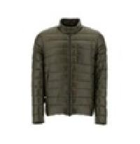 | PI00091UR12017_9120 | DOWN JACKET | Clothing | Male | SMURF | 100% PA |  | RO | € 595.00 | € 1785.00 | 3 |  |  |  |  |  |  |  |  |  |  |  |  |  |  |  |  |  |  |  |  |  |  |  | 1 | 1 | 1
 | PI001028U33278_9200 | DOWN JACKET | Clothing | Male | BLUE | 70% VI 30% WV |  | RO | € 985.00 | € 2955.00 | 3 |  |  |  |  |  |  |  |  |  |  |  |  |  |  |  |  |  |  |  |  |  |  |  |  | 1 |  |  | 1 | 1
 | PI001073U12217S_9280 | DOWN JACKET | Clothing | Male | BLUE | 71% PA 29% EA |  | RO | € 865.00 | € 2595.00 | 3 |  |  |  |  |  |  |  |  |  |  |  |  |  |  |  |  |  |  |  |  |  |  |  |  |  |  | 2 |  | 1
 | PI001084U13169_9200 | DOWN JACKET | Clothing | Male | BLUE | 100% CO |  | RO | € 795.00 | € 2385.00 | 3 |  |  |  |  |  |  |  |  |  |  |  |  |  |  |  |  |  |  |  |  |  |  |  | 1 | 1 | 1
 | PI00330UL12393_9201 | DOWN JACKET | Clothing | Male | BLUE | 100% PL |  | RO | € 715.00 | € 2145.00 | 3 |  |  |  |  |  |  |  |  |  |  |  |  |  |  |  |  |  |  |  |  |  |  |  | 3
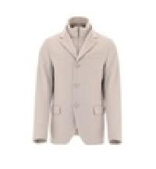 | GA0098U38020_9480 | DOWN JACKET | Clothing | Male | GREY | 100% WS |  | IT | € 1565.00 | € 6260.00 | 4 |  |  |  |  |  |  |  |  |  |  |  |  |  |  |  |  |  |  |  |  |  |  |  | 1 | 1 |  | 1 |  | 1
 | GI00034UR12431S_1985 | DOWN JACKET | Clothing | Male | CHANTILLY | 86% PA 14% EA |  | IT | € 680.00 | € 2720.00 | 4 |  |  |  |  |  |  |  |  |  |  |  |  |  |  |  |  |  |  |  |  |  |  |  | 1 | 1 | 1 | 1
 | PI00093UR12017_1310 | DOWN JACKET | Clothing | Male | ICE | 100% PA |  | RO | € 695.00 | € 2780.00 | 4 |  |  |  |  |  |  |  |  |  |  |  |  |  |  |  |  |  |  |  |  |  |  |  |  |  | 1 | 1 |  | 1 |  |  | 1
 | GA0006UCB12545S_9200 | DOWN JACKET | Clothing | Male | BLUE | 89% PL 11% EA |  | BG | € 765.00 | € 4590.00 | 6 |  |  |  |  |  |  |  |  |  |  |  |  |  |  |  |  |  |  |  | 1 |  |  |  | 1 | 1 | 2 |  |  |  |  | 1
 | GI000366U38020_5880 | DOWN JACKET | Clothing | Male | ORANGE | 100% WS |  | IT | € 1645.00 | € 9870.00 | 6 |  |  |  |  |  |  |  |  |  |  |  |  |  |  |  |  |  |  |  | 1 |  |  |  |  | 2 | 2 | 1
 | PE00013UR33379_9209 | DOWN JACKET | Clothing | Male | BLUE | 90% WO 10% WS |  | IT | € 1410.00 | € 8460.00 | 6 |  |  |  |  |  |  |  |  |  |  |  |  |  |  |  |  |  |  |  |  |  |  |  |  |  | 2 | 1 | 2 | 1
 | PI001079U12220_9243 | DOWN JACKET | Clothing | Male | BLUE | 100% PA |  | AM | € 635.00 | € 3810.00 | 6 |  |  |  |  |  |  |  |  |  |  |  |  |  |  |  |  |  |  |  |  |  |  |  |  | 1 | 2 | 2 |  |  | 1
 | PI000930U38087_9288 | DOWN JACKET | Clothing | Male | BLUE BROWN | 51% SE 49% WS |  | IT | € 1750.00 | € 12250.00 | 7 |  |  |  |  |  |  |  |  |  |  |  |  |  |  |  |  |  |  |  |  |  |  |  |  | 3 |  | 1 |  | 2 | 1
 | MP000122U70150_1985 | DOWN JACKET | Clothing | Male | CHANTILLY | 100% WV |  | TR | € 765.00 | € 7650.00 | 10 |  |  |  |  |  |  |  |  |  |  |  |  |  |  |  |  |  |  |  |  |  |  |  |  |  | 3 | 6 | 1
 | PE00013UR33379_1985 | DOWN JACKET | Clothing | Male | CHANTILLY | 90% WO 10% WS |  | IT | € 1410.00 | € 15510.00 | 11 |  |  |  |  |  |  |  |  |  |  |  |  |  |  |  |  |  |  |  |  |  |  |  |  | 2 | 3 | 4 | 1 | 1
 | PI00089UR12431S_7730 | DOWN JACKET | Clothing | Male | MILITARY | 86% PA 14% EA |  | RO | € 785.00 | € 9420.00 | 12 |  |  |  |  |  |  |  |  |  |  |  |  |  |  |  |  |  |  |  |  |  |  |  |  | 2 | 3 | 3 | 2 | 1 | 1
 | PI141UL11106_1250 | DOWN JACKET | Clothing | Male | ICE | 100% PL |  | RO | € 895.00 | € 10740.00 | 12 |  |  |  |  |  |  |  |  |  |  |  |  |  |  |  |  |  |  |  |  |  |  |  |  | 3 | 2 | 5 | 2
 | PI00088UR12431S_1985 | DOWN JACKET | Clothing | Male | CHANTILLY | 86% PA 14% EA |  | RO | € 755.00 | € 9815.00 | 13 |  |  |  |  |  |  |  |  |  |  |  |  |  |  |  |  |  |  |  |  |  |  |  |  |  | 1 | 5 | 4 | 1 | 1 | 1
 | PI00311UL11123_1250 | DOWN JACKET | Clothing | Male | ICE | 100% PL |  | RO | € 745.00 | € 14900.00 | 20 |  |  |  |  |  |  |  |  |  |  |  |  |  |  |  |  |  |  |  |  |  |  |  |  |  | 9 | 6 | 4 | 1
 | PI001079U12220_1985 | DOWN JACKET | Clothing | Male | CHANTILLY | 100% PA |  | AM | € 635.00 | € 17780.00 | 28 |  |  |  |  |  |  |  |  |  |  |  |  |  |  |  |  | 1 |  |  | 1 |  |  |  |  | 5 | 1 | 4 | 11 | 5
 | PI0766U12403_1985 | DOWN JACKET | Clothing | Male | CHANTILLY | 100% PA |  | IT | € 710.00 | € 22720.00 | 32 |  |  |  |  |  |  |  |  |  |  |  |  |  |  |  |  |  |  |  |  |  |  |  |  | 12 | 4 | 9 | 5 | 1 |  | 1
 | PI001079U12220_7970 | DOWN JACKET | Clothing | Male | GREEN | 100% PA |  | RO | € 635.00 | € 22225.00 | 35 |  |  |  |  |  |  |  |  |  |  |  |  |  |  |  |  |  |  |  |  |  |  |  |  | 12 | 6 | 13 | 4
 | PI001079U12220_6900 | DOWN JACKET | Clothing | Male | BAROLO | 100% PA |  | AM | € 635.00 | € 38735.00 | 61 |  |  |  |  |  |  |  |  |  |  |  |  |  |  |  |  |  |  |  |  |  |  |  | 9 | 17 | 14 | 9 | 9 | 3
 | PI00321UL11106_9290 | DOWN VEST | Clothing | Male | BLUE | 100% PL |  | RO | € 695.00 | € 2085.00 | 3 |  |  |  |  |  |  |  |  |  |  |  |  |  |  |  |  |  |  |  |  |  |  |  |  |  |  |  | 1 | 1 | 1
 | PI00321UL11106_9217 | DOWN VEST | Clothing | Male | BLUE | 100% PL |  | RO | € 695.00 | € 3475.00 | 5 |  |  |  |  |  |  |  |  |  |  |  |  |  |  |  |  |  |  |  |  |  |  |  |  |  |  | 2 | 2 | 1
 | MC00020UR70145_7730 | JACKET | Clothing | Male | MILITARY | 100% WO |  | MD | € 895.00 | € 895.00 | 1 |  |  |  |  |  |  |  |  |  |  |  |  |  |  |  |  |  |  |  |  |  |  |  |  |  | 1
 | PI001030U12522_8993 | JACKET | Clothing | Male | BROWN | 100% PL |  | IT | € 895.00 | € 895.00 | 1 |  |  |  |  |  |  |  |  |  |  |  |  |  |  |  |  |  |  |  |  |  |  |  |  | 1
 | GI000366U38020_9290 | JACKET | Clothing | Male | BLUE | 100% WS |  | IT | € 1645.00 | € 3290.00 | 2 |  |  |  |  |  |  |  |  |  |  |  |  |  |  |  |  |  |  |  |  |  |  |  |  |  |  |  | 1 | 1
 | PA000122U38020_9480 | JACKET | Clothing | Male | GREY | 100% WS |  | IT | € 2270.00 | € 4540.00 | 2 |  |  |  |  |  |  |  |  |  |  |  |  |  |  |  |  |  |  |  |  |  |  |  |  |  |  | 1 | 1
 | PI001029U12346S_9200 | JACKET | Clothing | Male | BLUE | 87% PA 13% EA |  | IT | € 845.00 | € 1690.00 | 2 |  |  |  |  |  |  |  |  |  |  |  |  |  |  |  |  |  |  |  | 1 |  |  |  |  |  |  |  |  | 1
 | GI00034UR12431S_7730 | JACKET | Clothing | Male | MILITARY | 86% PA 14% EA |  | IT | € 680.00 | € 2040.00 | 3 |  |  |  |  |  |  |  |  |  |  |  |  |  |  |  |  |  |  |  |  |  |  |  |  |  |  | 1 |  | 1 | 1
 | PA00028UR12387S_1203 | JACKET | Clothing | Male | IVORY | 86% PA 14% EA |  | RO | € 735.00 | € 2205.00 | 3 |  |  |  |  |  |  |  |  |  |  |  |  |  |  |  |  |  |  |  |  |  |  |  |  |  |  | 2 |  |  |  | 1
 | PI001030U12522_2000 | JACKET | Clothing | Male | SAND | 100% PL |  | IT | € 895.00 | € 2685.00 | 3 |  |  |  |  |  |  |  |  |  |  |  |  |  |  |  |  |  |  |  |  |  |  |  |  | 1 |  | 1 | 1
 | PI001030U12522_9200 | JACKET | Clothing | Male | BLUE | 100% PL |  | IT | € 895.00 | € 2685.00 | 3 |  |  |  |  |  |  |  |  |  |  |  |  |  |  |  |  |  |  |  |  |  |  |  |  |  |  |  |  | 1 | 2
 | GI000375U12538_9200 | JACKET | Clothing | Male | BLUE | 92% PL 8% EA |  | IT | € 780.00 | € 3120.00 | 4 |  |  |  |  |  |  |  |  |  |  |  |  |  |  |  |  |  |  |  |  |  |  |  |  |  |  | 1 | 2 | 1
 | GI00039UR33381_1985 | JACKET | Clothing | Male | CHANTILLY | 75% WV 25% PA |  | RO | € 890.00 | € 9790.00 | 11 |  |  |  |  |  |  |  |  |  |  |  |  |  |  |  |  |  |  |  |  |  |  |  | 1 | 1 | 5 | 2 | 2
 | MP000122U70150_9200 | JACKET | Clothing | Male | BLUE | 100% WV |  | TR | € 765.00 | € 11475.00 | 15 |  |  |  |  |  |  |  |  |  |  |  |  |  |  |  |  |  |  |  |  |  |  |  |  | 2 | 4 | 6 | 3
 | PT0005UCB12545S_9200 | PANTS | Clothing | Male | BLUE | 89% PL 11% EA |  | BG | € 515.00 | € 1030.00 | 2 |  |  |  |  | 2
 | PA000125U33318_9300 | PARKA | Clothing | Male | BLACK | 90% WV 10% WS |  | RO | € 1125.00 | € 3375.00 | 3 |  |  |  |  |  |  |  |  |  |  |  |  |  |  |  |  |  |  |  |  |  |  |  |  |  | 1 |  | 1 |  |  |  | 1
 | PA0072U12343_9288 | PARKA | Clothing | Male | BLUE BROWN | 100% PL |  | IT | € 675.00 | € 2025.00 | 3 |  |  |  |  |  |  |  |  |  |  |  |  |  |  |  |  | 1 |  |  | 2
 | PI001026U33186_8940 | PARKA | Clothing | Male | BROWN | 100% WV |  | IT | € 1540.00 | € 4620.00 | 3 |  |  |  |  |  |  |  |  |  |  |  |  |  |  |  |  |  |  |  |  |  |  |  |  |  | 1 | 1 | 1
 | PA000126U33344_9200 | PARKA | Clothing | Male | BLUE | 75% WV 25% PA |  | IT | € 1135.00 | € 4540.00 | 4 |  |  |  |  |  |  |  |  |  |  |  |  |  |  |  |  |  |  |  |  |  |  |  |  |  | 1 | 1 | 1 |  | 1
 | PA00027UR33379_7730 | PARKA | Clothing | Male | MILITARY | 90% WO 10% WS |  | IT | € 1570.00 | € 12560.00 | 8 |  |  |  |  |  |  |  |  |  |  |  |  |  |  |  |  |  |  |  |  |  |  |  |  | 1 | 1 | 1 | 2 | 2 |  | 1
 | JC00012UR56010_1391 | SHIRT | Clothing | Male | ICE LIGHT BLUE | 80% WO 20% PA |  | IT | € 975.00 | € 3900.00 | 4 |  |  |  |  |  |  |  |  |  |  |  |  |  |  |  |  |  |  |  |  |  |  |  | 1 | 1 |  |  | 1 | 1
 | JC00012UR56010_9219 | SHIRT | Clothing | Male | BLUE CHANTILLY | 80% WO 20% PA |  | IT | € 975.00 | € 9750.00 | 10 |  |  |  |  |  |  |  |  |  |  |  |  |  |  |  |  |  |  |  |  |  |  |  |  |  | 4 | 4 | 2
 | MG00014UR71009_4000 | SWEATER | Clothing | Male | PINK | 100% WS |  | IT | € 770.00 | € 770.00 | 1 |  |  |  |  |  |  |  |  |  |  |  |  |  |  |  |  |  |  |  |  |  |  |  |  | 1
 | JG00024UR52052_1985 | SWEATER | Clothing | Male | CHANTILLY | 100% CO |  | RO | € 195.00 | € 390.00 | 2 |  |  |  |  |  |  |  |  |  |  |  |  |  |  |  |  |  |  |  |  |  |  |  |  |  |  | 1 |  |  |  | 1
 | MG000118U72047_9200 | SWEATER | Clothing | Male | BLUE | 44% CO 23% AC 23% WO 10% WP |  | IT | € 415.00 | € 830.00 | 2 |  |  |  |  |  |  |  |  |  |  |  |  |  |  |  |  |  |  |  |  |  |  |  | 1 |  |  |  | 1
 | MG00019UR70132_4000 | SWEATER | Clothing | Male | PINK | 100% WV |  | RO | € 365.00 | € 730.00 | 2 |  |  |  |  |  |  |  |  |  |  |  |  |  |  |  |  |  |  |  |  |  |  |  |  |  | 1 |  |  |  | 1
 | MG00020UR70151_7730 | SWEATER | Clothing | Male | MILITARY |  |  | IT | € 455.00 | € 910.00 | 2 |  |  |  |  |  |  |  |  |  |  |  |  |  |  |  |  |  |  |  |  |  |  |  |  | 1 | 1
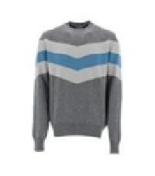 | MG00020UR70151_9406 | SWEATER | Clothing | Male | GREY | 100% WO |  | IT | € 455.00 | € 910.00 | 2 |  |  |  |  |  |  |  |  |  |  |  |  |  |  |  |  |  |  |  |  |  |  |  |  |  | 1 | 1
 | MG000113U70138_9300 | SWEATER | Clothing | Male | BLACK | 100% WO |  | IT | € 455.00 | € 1365.00 | 3 |  |  |  |  |  |  |  |  |  |  |  |  |  |  |  |  |  |  |  |  |  |  |  |  | 1 | 1 | 1
 | MG000115U70165_8600 | SWEATER | Clothing | Male | MUD | 100% WV |  | SK | € 255.00 | € 765.00 | 3 |  |  |  |  |  |  |  |  |  |  |  |  |  |  |  |  |  |  |  |  |  |  |  |  |  |  | 1 |  | 2
 | MG000115U70165_9290 | SWEATER | Clothing | Male | BLUE | 100% WV |  | SK | € 255.00 | € 765.00 | 3 |  |  |  |  |  |  |  |  |  |  |  |  |  |  |  |  |  |  |  |  |  |  |  |  |  | 1 | 1 |  | 1
 | MG00020UR70151_9200 | SWEATER | Clothing | Male | BLUE |  |  | IT | € 455.00 | € 1365.00 | 3 |  |  |  |  |  |  |  |  |  |  |  |  |  |  |  |  |  |  |  |  |  |  |  |  | 1 | 1 | 1
 | JG00018UR50017_9209 | SWEATER | Clothing | Male | BLUE | 100% CO |  | TR | € 185.00 | € 740.00 | 4 |  |  |  |  |  |  |  |  |  |  |  |  |  |  |  |  |  |  |  | 1 |  |  |  |  | 1 |  | 1 |  | 1
 | MG000115U70165_9300 | SWEATER | Clothing | Male | BLACK | 100% WV |  | SK | € 255.00 | € 1020.00 | 4 |  |  |  |  |  |  |  |  |  |  |  |  |  |  |  |  |  |  |  |  |  |  |  | 1 | 1 |  |  |  | 2
 | MG00014UR71009_9010 | SWEATER | Clothing | Male | SKY | 100% WS |  | IT | € 770.00 | € 3080.00 | 4 |  |  |  |  |  |  |  |  |  |  |  |  |  |  |  |  |  |  |  |  |  |  |  |  |  | 1 | 1 | 1 | 1
 | MG00016UR76021_9010 | SWEATER | Clothing | Male | SKY | 57% PA 42% WP 1% EA |  | IT | € 455.00 | € 1820.00 | 4 |  |  |  |  |  |  |  |  |  |  |  |  |  |  |  |  |  |  |  |  |  |  |  |  | 1 | 1 | 1 | 1
 | MG00016UR76021_9460 | SWEATER | Clothing | Male | GREY | 57% PA 42% WP 1% EA |  | IT | € 455.00 | € 1820.00 | 4 |  |  |  |  |  |  |  |  |  |  |  |  |  |  |  |  |  |  |  |  |  |  |  | 1 | 1 | 1 | 1
 | JG00018UR50017_4000 | SWEATER | Clothing | Male | PINK | 100% CO |  | TR | € 185.00 | € 925.00 | 5 |  |  |  |  |  |  |  |  |  |  |  |  |  |  |  |  |  |  |  |  |  |  |  |  | 1 | 3 | 1
 | JG00018UR50017_1985 | SWEATER | Clothing | Male | CHANTILLY | 100% CO |  | TR | € 185.00 | € 1110.00 | 6 |  |  |  |  |  |  |  |  |  |  |  |  |  |  |  |  |  |  |  |  |  |  |  | 1 | 1 | 1 |  | 2 | 1
 | MG000114U70166_2720 | SWEATER | Clothing | Male | DOVE GREY | 100% WV |  | SK | € 285.00 | € 1710.00 | 6 |  |  |  |  |  |  |  |  |  |  |  |  |  |  |  |  |  |  |  |  |  |  |  |  | 1 | 3 | 1 | 1
 | MG000117U72048_7970 | SWEATER | Clothing | Male | GREEN | 44% CO 23% AC 23% WO 10% WP |  | IT | € 440.00 | € 3520.00 | 8 |  |  |  |  |  |  |  |  |  |  |  |  |  |  |  |  |  |  |  |  |  |  |  |  | 1 | 4 | 2 | 1
 | JG00018UR50017_9120 | SWEATER | Clothing | Male | SMURF | 100% CO |  | TR | € 185.00 | € 5920.00 | 32 |  |  |  |  |  |  |  |  |  |  |  |  |  |  |  |  |  |  |  | 2 |  |  |  | 2 | 2 | 10 | 9 | 7
 | JG000188U50017_9200 | SWEATSHIRT | Clothing | Male | BLUE | 100% CO |  | TR | € 170.00 | € 2210.00 | 13 |  |  |  |  |  |  |  |  |  |  |  |  |  |  |  |  |  |  |  |  |  |  |  |  |  | 1 | 2 | 3 | 2 | 3 | 2
 | JG000188U50017_8993 | SWEATSHIRT | Clothing | Male | BROWN | 100% CO |  | TR | € 170.00 | € 25840.00 | 152 |  |  |  |  |  |  |  |  |  |  |  |  |  |  |  |  |  |  |  | 6 |  |  |  | 22 | 25 | 32 | 35 | 22 | 9 |  | 1
 | JG00023UR52052_1985 | T-SHIRT | Clothing | Male | CHANTILLY | 100% CO |  | RO | € 155.00 | € 155.00 | 1 |  |  |  |  |  |  |  |  |  |  |  |  |  |  |  |  |  |  |  |  |  |  |  |  |  |  |  |  |  | 1
 | JG00023UR52052_7730 | T-SHIRT | Clothing | Male | MILITARY | 100% CO |  | RO | € 155.00 | € 155.00 | 1 |  |  |  |  |  |  |  |  |  |  |  |  |  |  |  |  |  |  |  |  |  |  |  |  |  |  |  |  |  | 1
 | JG00027UR52052_9200 | T-SHIRT | Clothing | Male | BLUE | 100% CO |  | RO | € 170.00 | € 170.00 | 1 |  |  |  |  |  |  |  |  |  |  |  |  |  |  |  |  |  |  |  |  |  |  |  |  |  |  | 1
 | JG00027UR52052_1985 | T-SHIRT | Clothing | Male | CHANTILLY | 100% CO |  | RO | € 170.00 | € 340.00 | 2 |  |  |  |  |  |  |  |  |  |  |  |  |  |  |  |  |  |  |  |  |  |  |  |  | 1 |  |  |  | 1
 | JG00027UR52052_7730 | T-SHIRT | Clothing | Male | MILITARY | 100% CO |  | RO | € 170.00 | € 510.00 | 3 |  |  |  |  |  |  |  |  |  |  |  |  |  |  |  |  |  |  |  |  |  |  |  |  |  | 1 |  | 1 | 1
 | PP000002U12004_9460 | TROUSER | Clothing | Male | GREY | 100% PA |  | BG | € 355.00 | € 1420.00 | 4 |  |  | 3 | 1
 | PP000002U12004_9389 | TROUSERS | Clothing | Male | BLACK ESPRESSO | 100% PA |  | IT | € 355.00 | € 355.00 | 1 |  |  |  |  |  |  | 1
 | PT000020U33375_9300 | TROUSERS | Clothing | Male | BLACK | 100% WV |  | IT | € 450.00 | € 450.00 | 1 |  |  |  |  |  |  | 1
 | PT000024U12343_8600 | TROUSERS | Clothing | Male | MUD | 100% PL |  | MD | € 260.00 | € 260.00 | 1 |  | 1
 | PT000024U12343_9200 | TROUSERS | Clothing | Male | BLUE | 100% PL |  | MD | € 260.00 | € 260.00 | 1 |  |  |  | 1
 | PT000027U12545S_9200 | TROUSERS | Clothing | Male | BLUE | 89% PL 11% EA |  | BG | € 410.00 | € 410.00 | 1 |  |  |  |  |  | 1
 | PT000027U12545S_9300 | TROUSERS | Clothing | Male | BLACK | 89% PL 11% EA |  | BG | € 410.00 | € 820.00 | 2 |  | 1 |  |  |  | 1
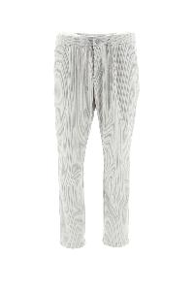 | PT00005UL12795_1250 | TROUSERS | Clothing | Male | WHITE | 100% PL |  | IT | € 258.00 | € 516.00 | 2 |  |  |  |  | 2
 | PT00005UR12454_9209 | TROUSERS | Clothing | Male | BLUE | 80% PL 20% EA |  | MD | € 285.00 | € 855.00 | 3 |  |  |  |  | 1 | 1 | 1
 | PP000002U12004_1000 | TROUSERS | Clothing | Male | WHITE | 100% PA |  | BG | € 355.00 | € 1420.00 | 4 |  | 1 | 1 | 1 | 1
 | PT000025U19288_9200 | TROUSERS | Clothing | Male | BLUE | 100% PA |  | MD | € 290.00 | € 1160.00 | 4 |  | 1 |  | 1 | 1 |  | 1
 | PT00005UR12454_1310 | TROUSERS | Clothing | Male | ICE | 80% PL 20% EA |  | IT | € 285.00 | € 1140.00 | 4 |  |  | 1 |  | 2 | 1
 | ML00001UL70159_1250 | TURTLENECK | Clothing | Male | ICE | 96% WV 4% PP |  | IT | € 475.00 | € 1425.00 | 3 |  |  |  |  |  |  |  |  |  |  |  |  |  |  |  |  |  |  |  |  |  |  |  |  |  | 2 | 1
 | ML00005UR70127_7730 | TURTLENECK | Clothing | Male | MILITARY | 100% WO |  | IT | € 360.00 | € 1080.00 | 3 |  |  |  |  |  |  |  |  |  |  |  |  |  |  |  |  |  |  |  |  |  |  |  |  |  | 1 | 1 |  | 1
 | ML00005UR70127_4000 | TURTLENECK | Clothing | Male | PINK | 100% WO |  | IT | € 360.00 | € 2880.00 | 8 |  |  |  |  |  |  |  |  |  |  |  |  |  |  |  |  |  |  |  |  |  |  |  |  | 2 | 4 | 1 | 1
 | ML00005UR70127_1310 | TURTLENECK | Clothing | Male | ICE | 100% WO |  | RO | € 360.00 | € 4320.00 | 12 |  |  |  |  |  |  |  |  |  |  |  |  |  |  |  |  |  |  |  |  |  |  |  | 1 | 4 | 4 | 3
 | BER0006UL11106_9293 | CAP | Accessories | Male | BLUE BLACK | 100% PL |  | IT | € 185.00 | € 370.00 | 2 |  |  | 1 | 1
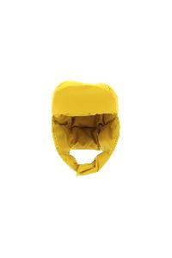 | BER0002UL11106_1250 | HAT | Accessories | Male | YELLOW | 100% PL |  | IT | € 156.00 | € 156.00 | 1 |  |  |  | 1
 | BER0002UL11106_7250 | HAT | Accessories | Male | EMERALD | 100% PL |  | IT | € 156.00 | € 156.00 | 1 |  |  |  | 1
 | BER0001UR70127_9010 | HAT | Accessories | Male | SKY | 100% WO |  | IT | € 95.00 | € 285.00 | 3 | 3
 | SCP00003U70138_8800 | SCARF | Accessories | Male | FONDENT | 100% WO |  | IT | € 185.00 | € 370.00 | 2 | 2
 | SCP00006U76029_9300 | SCARF | Accessories | Male | BLACK | 98% PA 1% PL 1% EA |  | IT | € 225.00 | € 675.00 | 3 | 3
 | SH003UMSHOE18_9400 | SNEAKERS | Shoes | Male | GREY | UPPER: 100% LAMB LE SOLE: 100% EL |  | IT | € 455.00 | € 3185.00 | 7 |  |  |  |  |  |  |  |  |  |  |  |  |  |  | 2 |  | 2 | 2 |  |  |  |  |  | 1
 | SH003ULSHOE15_9290 | SNEAKERS | Shoes | Male | BLUE | UPPER: 80% PA 20% PU SOLE: 100% EL |  | VN | € 275.00 | € 2200.00 | 8 |  |  |  |  |  |  |  |  |  |  |  |  | 1 |  | 2 |  | 3 | 2
 | SH002UMSHOE13_8993 | SNEAKERS | Shoes | Male | BROWN | UPPER: 100% LAMB LE SOLE: 100% EVA |  | IT | € 315.00 | € 17640.00 | 56 |  |  |  |  |  |  |  |  |  |  |  |  | 3 |  | 8 | 1 | 9 | 8 | 4 | 11 | 2 | 7 |  | 3
 | JG000194D12546_1987 | BLOUSE | Clothing | Female | CHANTILLY | 71% AC 29% VI |  | IT | € 380.00 | € 1520.00 | 4 |  |  |  |  |  |  |  |  |  |  |  |  |  |  |  |  | 3 |  |  |  |  |  |  |  | 1
 | JV000009D12546_2720 | BLOUSE | Clothing | Female | DOVE GREY | 71% AC 29% VI |  | IT | € 385.00 | € 1925.00 | 5 |  |  |  |  |  |  |  |  |  |  |  |  |  |  |  |  | 4 |  |  |  |  |  |  |  |  | 1
 | JG000194D12546_4225 | BLOUSE | Clothing | Female | FUXIA | 71% AC 29% VI |  | IT | € 380.00 | € 2660.00 | 7 |  |  |  |  |  |  |  |  |  |  | 2 |  |  |  |  |  | 5
 | JV00008DR52053_9300 | BLOUSE | Clothing | Female | BLACK | 92% VI 8% EA |  | IT | € 375.00 | € 2625.00 | 7 |  |  |  |  |  |  |  |  |  |  | 1 |  | 3 |  |  |  | 1 |  |  | 2
 | JG000194D12546_9300 | BLOUSE | Clothing | Female | BLACK | 71% AC 29% VI |  | IT | € 380.00 | € 5700.00 | 15 |  |  |  |  |  |  |  |  |  |  |  |  |  |  |  |  | 11 |  |  | 3 |  |  |  |  | 1
 | JL000103D52052_9300 | BLOUSE | Clothing | Female | BLACK | 100% CO |  | RO | € 190.00 | € 19380.00 | 102 |  |  |  |  |  |  |  |  |  |  | 8 |  | 23 |  |  |  | 33 |  |  | 28 |  |  |  | 10
 | PI0833DIC12017_3020 | BOMBER | Clothing | Female | YELLOW | 100% PA |  | RO | € 645.00 | € 1290.00 | 2 |  |  |  |  |  |  |  |  |  |  |  |  | 1 |  |  |  | 1
 | PI0833DIC12017_9004 | BOMBER | Clothing | Female | CELESTIAL | 100% PA |  | RO | € 645.00 | € 1290.00 | 2 |  |  |  |  |  |  |  |  |  |  |  |  |  |  |  |  |  |  |  |  |  |  |  | 2
 | PI1148D12017_6902 | BOMBER | Clothing | Female | RED | 100% PA |  | AM | € 590.00 | € 5900.00 | 10 |  |  |  |  |  |  |  |  |  |  |  |  |  |  |  |  | 10
 | PI0833DIC12017_4520 | BOMBER | Clothing | Female | LILAC | 100% PA |  | RO | € 645.00 | € 8385.00 | 13 |  |  |  |  |  |  |  |  |  |  |  |  | 3 |  |  |  | 5 |  |  | 5
 | GI00023DR12546_4025 | BOMBER | Clothing | Female | LILAC | 71% AC 29% VI |  | IT | € 560.00 | € 7840.00 | 14 |  |  |  |  |  |  |  |  |  |  |  |  | 4 |  |  |  | 9 |  |  | 1
 | GI00022DR12431S_1985 | BOMBER | Clothing | Female | CHANTILLY | 86% PA 14% EA |  | IT | € 665.00 | € 25935.00 | 39 |  |  |  |  |  |  |  |  | 1 |  | 2 |  | 10 |  |  |  | 8 |  |  | 11 |  |  |  | 6 |  | 1
 | JP00003DR56009_1985 | CAPE | Clothing | Female | CHANTILLY | 100% CO |  | TR | € 715.00 | € 17875.00 | 25 |  |  |  |  |  |  |  |  |  |  |  |  | 4 |  |  |  | 10 |  |  | 3 |  |  |  | 1 | 7
 | JC00018DL50049_9290 | CARDIGAN | Clothing | Female | BLUE | 52% PA 48% CO |  | IT | € 690.00 | € 1380.00 | 2 |  |  |  |  |  |  |  |  |  |  |  |  | 1 |  |  |  | 1
 | MC00024DR73007_9300 | CARDIGAN | Clothing | Female | BLACK | 77% WP 16% WO 7% PA |  | MD | € 585.00 | € 1170.00 | 2 |  |  |  |  |  |  |  |  |  |  |  |  |  |  |  |  |  |  |  |  |  |  |  |  | 2
 | MC00026DR70156_1310 | CARDIGAN | Clothing | Female | ICE | 100% WO|100% NY |  | IT | € 870.00 | € 3480.00 | 4 |  |  |  |  |  |  |  |  |  |  |  |  |  |  |  |  |  |  |  | 3 |  |  |  | 1
 | MC00024DR73007_3020 | CARDIGAN | Clothing | Female | YELLOW | 77% WP 16% WO 7% PA |  | IT | € 585.00 | € 4095.00 | 7 |  |  |  |  |  |  |  |  |  |  |  |  | 1 |  |  |  | 3 |  |  | 3
 | MC00026DR70156_4025 | CARDIGAN | Clothing | Female | LILAC | 100% WO|72% RY 28% NY |  | IT | € 870.00 | € 10440.00 | 12 |  |  |  |  |  |  |  |  |  |  | 2 |  | 3 |  |  |  | 3 |  |  | 2 |  |  |  | 1 |  | 1
 | CA000442D33344_4520 | COAT | Clothing | Female | LILLA | 75% WV 25% PA |  | IT | € 895.00 | € 1790.00 | 2 |  |  |  |  |  |  |  |  |  |  |  |  |  |  |  |  | 1 |  |  | 1
 | CA000471D33313_1980 | COAT | Clothing | Female | BEIGE | 100% WV |  | IT | € 1345.00 | € 10760.00 | 8 |  |  |  |  |  |  |  |  |  |  |  |  |  |  |  |  | 7 |  |  |  |  |  |  | 1
 | GC000425D38020_1985 | COAT | Clothing | Female | CHANTILLY | 100% WS |  | IT | € 2045.00 | € 22495.00 | 11 |  |  |  |  |  |  |  |  |  |  |  |  |  |  |  |  | 9 |  |  | 1 |  |  |  | 1
 | CA00014DR33381_4025 | COAT | Clothing | Female | LILAC | 75% WV 25% PA |  | RO | € 955.00 | € 17190.00 | 18 |  |  |  |  |  |  |  |  |  |  | 3 |  | 4 |  |  |  | 6 |  |  | 4 |  |  |  | 1
 | CA0409D12422_4225 | COAT | Clothing | Female | FUXIA | 100% PL
 | CA000488D33313_4225 | COAT | Clothing | Female | FUXIA | 100% WV
 | PI00112DR33381_1985 | COAT | Clothing | Female | CHANTILLY | 75% WV 25% PA
 | GC000410D12421_3550 | DOWN JACKET | Clothing | Female | ACID | 100% PL|FAUX FUR
 | GC000423D12343_8600 | DOWN JACKET | Clothing | Female | MUD | 100% PL
 | GC000431D33398_1985 | DOWN JACKET | Clothing | Female | CHANTILLY | 100% WV
 | PI001737D12017_9480 | DOWN JACKET | Clothing | Female | GREY | 100% PA
 | PI001738D12017_4225 | DOWN JACKET | Clothing | Female | FUXIA | 100% PA
 | PI001800D12170_9004 | DOWN JACKET | Clothing | Female | CELESTIAL | 100% PL
 | PI001801D38087_9004 | DOWN JACKET | Clothing | Female | CELESTIAL | 51% SEM 49% WS|FAUX FUR
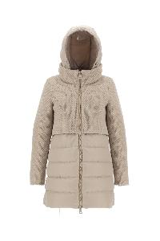 | PI0822D33220_9300 | DOWN JACKET | Clothing | Female | BLACK | 70% WO 25% PA 3% PC 2% AF
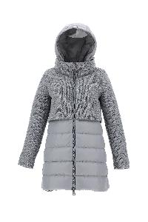 | PI0822D33220_9400 | DOWN JACKET | Clothing | Female | GREY | 70% WO 25% PA 3% PC 2% AF
 | GC000410D12421_4630 | DOWN JACKET | Clothing | Female | PURPLE | 100% PL|FAUX FUR
 | GI000209D12421_4630 | DOWN JACKET | Clothing | Female | PURPLE | 100% PL|FAUX FUR
 | MP00009DR12017_1310 | DOWN JACKET | Clothing | Female | ICE | 100% PA
 | PI001717D12004_9410 | DOWN JACKET | Clothing | Female | GREY | 100% PA
 | PI001729D12354_4225 | DOWN JACKET | Clothing | Female | FUXIA | 100% PL|FAUX FUR
 | PI001729D12354_4520 | DOWN JACKET | Clothing | Female | LILLA | 100% PL|FAUX FUR
 | PI001732D12017_2155 | DOWN JACKET | Clothing | Female | CAMEL | 100% PA
 | PI001732D12017_4520 | DOWN JACKET | Clothing | Female | LILAC | 100% PA
 | PI001732D12017_9480 | DOWN JACKET | Clothing | Female | GREY | 100% PA
 | PI001739D12017_4225 | DOWN JACKET | Clothing | Female | FUXIA | 100% PA|FAUX FUR
...
IMAGE | SKU | PRODUCT | GROUP | GENDER | COLOR | COMPOSITION
 | PI001755D38087_4520 | DOWN JACKET | Clothing | Female | LILLA | 51% SEM 49% WS
 | PI001793D12500_7740 | DOWN JACKET | Clothing | Female | MILITARY | 100% PA
 | PI001801D38087_9410 | DOWN JACKET | Clothing | Female | GREY | 51% SEM 49% WS|FAUX FUR
 | PI001806D12017_7970 | DOWN JACKET | Clothing | Female | GREEN | 100% PA
 | PI001806D12017_9004 | DOWN JACKET | Clothing | Female | CELESTIAL | 100% PA
 | PI001806D12017_9480 | DOWN JACKET | Clothing | Female | GREY | 100% PA
 | PI001816D12170_4520 | DOWN JACKET | Clothing | Female | LILAC | 100% PL
 | PI00275DL11106_1250 | DOWN JACKET | Clothing | Female | ICE | 100% PL
 | PI00319DL12804_1250 | DOWN JACKET | Clothing | Female | ICE | 100% PL
 | PI080DL11106_1250 | DOWN JACKET | Clothing | Female | ICE | 100% PL
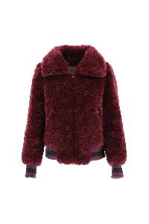 | GI0138D12422_8895 | DOWN JACKET | Clothing | Female | 8895 | 100% PL
 | PI001732D12017_9406 | DOWN JACKET | Clothing | Female | GREY | 100% PA
 | PI001757D38087_4520 | DOWN JACKET | Clothing | Female | LILAC | 51% SE 49% WS
 | PI001806D12017_4225 | DOWN JACKET | Clothing | Female | FUXIA | 100% PA
 | PI00315DL12809_9290 | DOWN JACKET | Clothing | Female | BLUE | 100% PL
 | PI0505DIC12017_4225 | DOWN JACKET | Clothing | Female | FUXIA | 100% PA
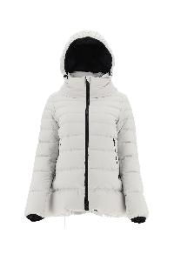 | PI079DL11106_1250 | DOWN JACKET | Clothing | Female | ICE | 100% PL
 | PI1148D12017_5880 | DOWN JACKET | Clothing | Female | ORANGE | 100% PA
 | GI0138D12422_9300 | DOWN JACKET | Clothing | Female | BLACK | 100% PL
 | PI00106DR12537_1985 | DOWN JACKET | Clothing | Female | CHANTILLY | 67% PA 33% ME
 | PI001737D12017_4225 | DOWN JACKET | Clothing | Female | FUXIA | 100% PA
 | PI001791D12017_7970 | DOWN JACKET | Clothing | Female | GREEN | 100% PA
 | PI001791D12017_9004 | DOWN JACKET | Clothing | Female | CELESTIAL | 100% PA
 | PI00308DL11106_1250 | DOWN JACKET | Clothing | Female | ICE | 100% PL
 | PI001791D12017_2600 | DOWN JACKET | Clothing | Female | DOVE GREY | 100% PA
 | PI0660D12004_4520 | DOWN JACKET | Clothing | Female | LILLA | 100% PA
 | PI001817D15020S_7970 | DOWN JACKET | Clothing | Female | GREEN | 90% PL 10% EA
...
IMAGE | SKU | PRODUCT | GROUP | GENDER | COLOR | COMPOSITION
 | PI001723D12523_9004 | DOWN JACKET | Clothing | Female | CELESTIAL | 100% PA
 | PI001829D12548_9004 | DOWN JACKET | Clothing | Female | CELESTIAL | 100% PL
 | GC000410D12421_2000 | DOWN JACKET | Clothing | Female | SAND | 100% PL
 | MP00008DR12017_1310 | DOWN JACKET | Clothing | Female | ICE | 100% PA
 | PI001772D33344_9004 | DOWN JACKET | Clothing | Female | CELESTIAL | 75% WV 25% PA
 | PI00301DL12345_9217 | DOWN JACKET | Clothing | Female | BLUE | 100% PA
 | PI0660D12004_6902 | DOWN JACKET | Clothing | Female | RED | 100% PA
 | PI001770D12552P_1199 | DOWN JACKET | Clothing | Female | MULTICOLOR LILLA | 100% PL
 | PI001806D12017_4520 | DOWN JACKET | Clothing | Female | LILAC | 100% PA
 | PI001808D12535_9300 | DOWN JACKET | Clothing | Female | BLACK | 100% PL
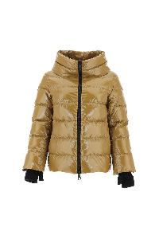 | PI0837D12220_1985 | DOWN JACKET | Clothing | Female | CHANTILLY | 100% PA
 | GC000414D33344_2000 | DOWN JACKET | Clothing | Female | SAND | 75% WV 25% PA
 | PI001760D39601_9300 | DOWN JACKET | Clothing | Female | BLACK | 80% WO 20% PA
 | PI00288DL12692_1250 | DOWN JACKET | Clothing | Female | ICE | 100% PL
 | PI00298DL12542_1250 | DOWN JACKET | Clothing | Female | ICE | 100% PL
 | PI001712D12220_6900 | DOWN JACKET | Clothing | Female | BAROLO | 100% PA
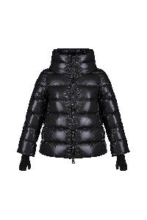 | PI0837D12220_9300 | DOWN JACKET | Clothing | Female | NERO | 100% PA
 | PI1148D12017_4225 | DOWN JACKET | Clothing | Female | FUXIA | 100% PA
 | PI001835D12559P_9320 | DOWN JACKET | Clothing | Female | BLACK DOVE GREY | 100% PL
 | PI00306DL12805_1250 | DOWN JACKET | Clothing | Female | ICE | 100% PA
 | GI000211D33313_1980 | DOWN JACKET | Clothing | Female | BEIGE | 100% WV
 | PI00300DL12345_9300 | DOWN JACKET | Clothing | Female | BLACK | 100% PA
 | PI001514D12354_7970 | DOWN JACKET | Clothing | Female | GREEN | 0
 | PI1166D12354_9004 | DOWN JACKET | Clothing | Female | CELESTIAL | 0
 | PI001729D12354_9004 | DOWN JACKET | Clothing | Female | CELESTIAL | 100% PL|FAUX FUR
 | PI00305DL12805_9217 | DOWN JACKET | Clothing | Female | BLUE | 100% PA
 | PI001753D12170_5880 | DOWN JACKET | Clothing | Female | ORANGE | 0
...
IMAGE | SKU | PRODUCT | GROUP | GENDER | COLOR | COMPOSITION
 | BRC0001DRKOPERH5_4025 | BRACELET | Accessories | Female | LILAC | 55% CO 45% PL
 | BER00018D70160_5880 | HAT | Accessories | Female | ORANGE | 100% WO
 | BER00018D70160_9004 | HAT | Accessories | Female | CELESTIAL | 100% WO
 | SCP00008D33407P_9320 | PASHMINA | Accessories | Female | BLACK DOVE GREY | 51% WO 49% SE
 | SCP00001D12017_2155 | SCARF | Accessories | Female | CAMEL | 100% PA
 | SCP00001D12017_2600 | SCARF | Accessories | Female | DOVE | 100% PA
 | SCP00001D12017_9300 | SCARF | Accessories | Female | BLACK | 100% PA
 | SCP0001DR33399_4530 | SCARF | Accessories | Female | LILAC YELLOW | 100% WV
 | SH003DMSHOE8_9300 | BOOTS | Shoes | Female | BLACK | UPPER: 100% LAMB LE SOLE: 100% LAMB LE
 | SH003DLSHOE15_1250 | SNEAKERS | Shoes | Female | ICE | UPPER: 80% PA 20% PU SOLE: 100% EL
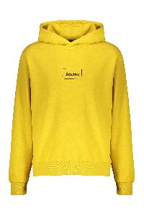 | JG00018UL50017_3350 | Cotton hoodie | Clothing | Male | giallo | 100% CO
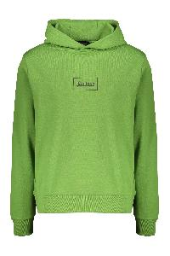 | JG00018UL50017_7250 | Cotton hoodie | Clothing | Male | verde | 100% CO
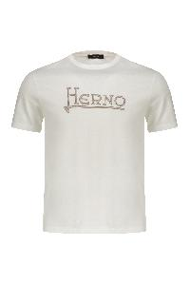 | JG0011U52016_1000 | Cotton T-shirt | Clothing | Male | bianco | 100% CO
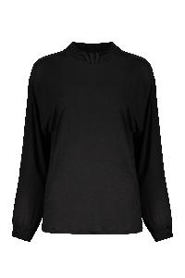 | JL00002DR52030_9300 | Crew-neck blouse | Clothing | Female | nero | 100% LY|100% WV
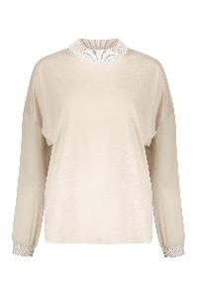 | JL00002DR52030_1310 | Crew-neck blouse | Clothing | Female | beige | 100% LY|100% WV
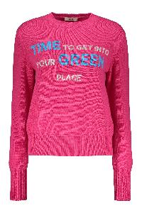 | MG000107D70122_4250 | Crew-neck wool sweater | Clothing | Female | fucsia | 100% WO
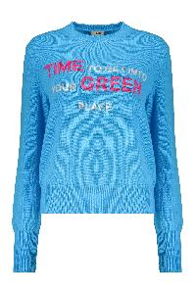 | MG000107D70122_9045 | Crew-neck wool sweater | Clothing | Female | azzurro | 100% WO
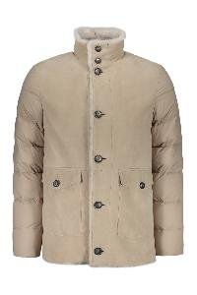 | PL000115U18127_1985 | Down jacket in nylon and lamb shearling | Clothing | Male | beige | 100% LAMB LE
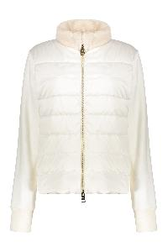 | JP001DR50011_1100 | Full zip jacket | Clothing | Female | bianco | 95% CO 5% WS
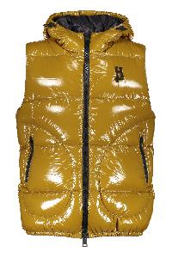 | PI000860U12220_3550 | Hooded bodywarmer | Clothing | Male | kaki | 100% PA|100% EA
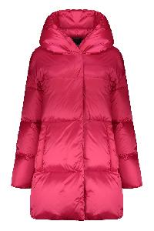 | PI001500D12204_4250 | Hooded down jacket | Clothing | Female | fucsia | 100% PA
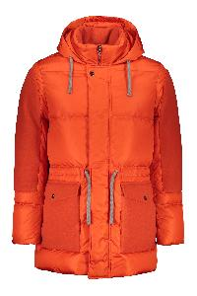 | PI000882U12358_5850 | Hooded down jacket | Clothing | Male | corallo | 100% PA|100% WO
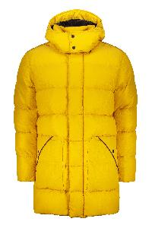 | PI00258UL12695_3350 | Hooded down jacket | Clothing | Male | giallo | 100% PA
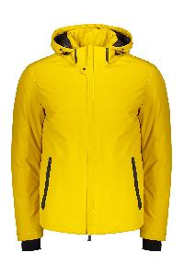 | PI00240UL11121_3350 | Hooded down jacket | Clothing | Male | giallo | 100% PL
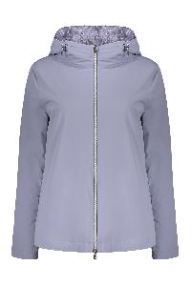 | GI00008DR12387S_4545 | Hooded full-zip down jacket | Clothing | Female | lilla | 86% PA 14% EA
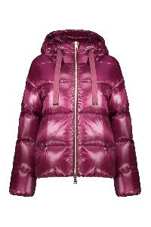 | PI1148D12017_4630 | Hooded short down jacket | Clothing | Female | vinaccia | 100% PA
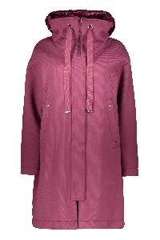 | GC000366D39500_4630 | Jacket with zip and snap closure | Clothing | Female | Malva | 100% VI
 | MP00004DR76012_2450 | Knitted jacket with padded panel | Clothing | Female | Cammello | 36% PA 26% WOR 26% VI 7% ME 5% WS
 | PI108UL11106_9300 | Laminar down jacket | Clothing | Male | nero | 100% PL
 | PI00270UL12792_9333 | Laminar full zip down vest | Clothing | Male | nero | 100% PA
 | PL000132D18128_1985 | Padded wool-blend coat | Clothing | Female | rosa | 100% SHEEPSKIN
 | PI001502D12370_5850 | Short down jacket | Clothing | Female | corallo | 100% PA
 | PI001579D12474P_9999 | Short down jacket | Clothing | Female | multicolor | 100% PL
 | MC00009UR70092_9200 | Virgin wool and cashmere blend cardigan | Clothing | Male | multicolor | 70% WV 30% WO|100% PA
 | CA0071UM0339601_9290 | Wool blend coat | Clothing | Male | blu | 80% WO 20% PA
 | PT0006D33115_9490 | Wool blend trousers | Clothing | Female | grigio | 90% WV 7% PA 3% EA
 | GC000065U33342_5850 | Wool parka | Clothing | Male | corallo | 100% WO
...

